JSP
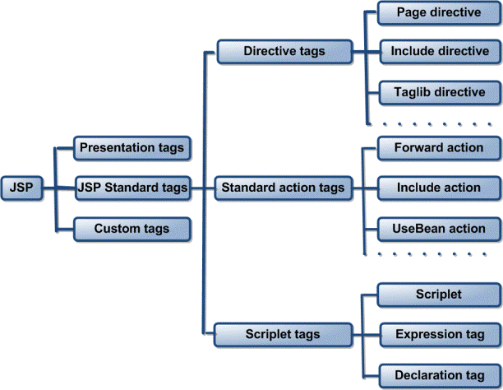
Question # | Question | Answer
1 | Explain Differences between include Directive and include Action of JSP | Directive = compile time Action = runtime
2 | what are the implicit Object | 9 objects request response session page application config page context out exeption
3 | How can you pass information form one jsp to included jsp: | Using <%jsp:param> tag.
4 | what is the use of JSTL and what tags are used | it is a collection of useful JSP tags which encapsulates core functionality common to many JSP applications --------------->>> tags to the right
5 | What is JSP and why do we need it? | JSP stands for JavaServer Pages. JSP is java server side technology to create dynamic web pages. JSP is extension of Servlet technology to help developers create dynamic pages with HTML like syntax.
6 | What are the JSP lifecycle phases? | translate compile load class instantiate jspinit _jspservice jspdestroy
7 | What are different types of comments in JSP? | <%-- comment --%> is JSP comment and is ignored by the JSP engine <!-- comment --> is an HTML comment and is ignored by the browser.
8 | What is Scriptlet, Expression and Declaration in JSP | Scriplet -<% code fragment %> - goes into service method Declaration - <%! declaration %> - goes outside of service method Expression - <%= expression %> evaluated, converted to a String, and inserted where the expression appears
9 | How do we configure init params for JSP | in web.xml with init-param tag… key value pair
10 | Explain JSP Action Tags | predefined functions following JSP actions available: include, useBean, setProperty, getProperty, forward, plugin, element, attribute, body, text syntax = <jsp:action_name attribute="value" />
11 | What are the types of JSTL tags | 5 Core, Formatting, SQL, XML, JSTL Functions(String functions)
12 | What are the advantages of JSP over Servlet | they are document-centric, servlet look and act like programs...server based but provides framework for web app development
13 | How can I override the jspInit() and jspDestroy() methods within a JSP page | within a declaration.. Override the method public void jspInit() { . . . }
14 | What are JSP tags.. Explain all | Custom&Presentation Standard--> Directive,Action, Scriplet Directive -- >Page,include,taglib Action -->include,usebean, set/getproperty,forward,element,... Scriplet -->Declarative,expression,scriplet

